Sheet1
Sr. No. | Activity | Ref.
 | Front Page: login Page
 | Brief about organization & Logo
 | Contact Details and social media icon
 | News & Updates
 | Blogs
 | Internal Page
 | Appreciation Corner
 | Announcement for new joinee, new projects, achievement etc.
 | Internal blog and knowledge sharing by employee
 | Holiday Calendar
 | Chat
 | Notification

 | CRM
 | Lead pipeline
 | Bulk SMS and Email sending
 | Email and mobile no. database- export all clients mobile and email id for sms & email campaigning
 | Contact Book with photo, note, project, status, sales, purchase, send message etc.
 | Campaign- target vs achieved
 | Lead should have an option for putting value, complete address, multiple, ph. No. e mail id and reminder with date and time
 | Call log entry
 | Calendar Page
 | Chat
 | Lead Report

 | HR
 | Time Sheet
 | Payroll
 | Salary sheet
 | Leave Management
 | Format for download
 | Survey
 | Recruitment process
 | Database management
 | Project Tracker
 | Employee Database
 | Birthday/anniversary wishes
 | employee recognition
 | Online candidates assessment for intervoew. HR can prepare questionnaire for pschycological, IQ, Personal and technical data for putting in software. - iliftoff.com
 | online test concept shall be utilised for our internal and site staff for performance
 | Goal/KRA/KPI which indicate and track their performance

 | Sales
 | Proposal
 | Sales Order
 | Invoice
 | Credit
 | Debit
 | Payment Received against invoice
 | Sales executive wise report

 | Purchase
 | Purchase Order
 | Invoice
 | Credit
 | Debit
 | Payment released against invoice
 | Advance

 | Associate Partner
 | Vendor List with Approved, Terminated, Their Expertise, Location ect
 | Customer
 | Customer list with their project, status, amount, note etc
 | Accounts
 | Travel Voucher
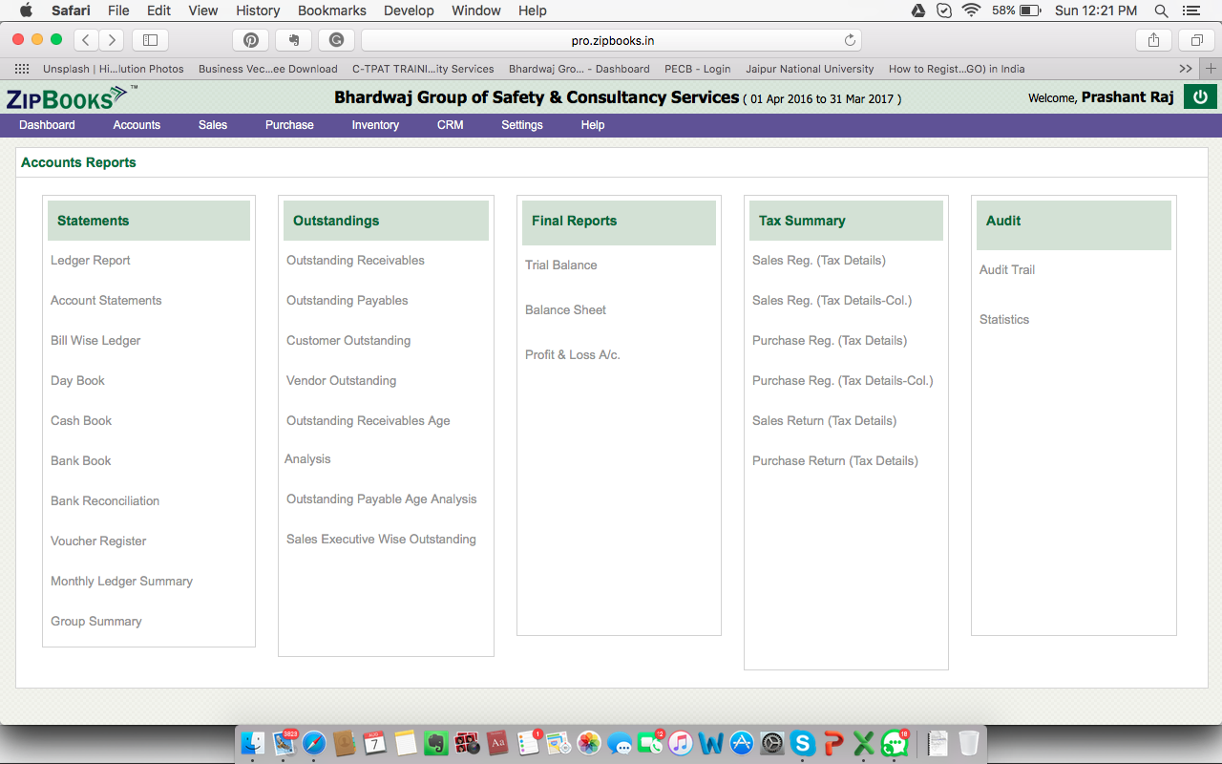
 | Fee Receipt
 | Payment-NEFT/Cash etc
 | Cash deposite entry
 | Tax catogory createtion
 | Ledger entry
 | Accounts Report
 | Balance sheet
 | Profit Loss
 | Various type of Tax Report
 | Ledger report
 | Account statement
 | Day Book
 | Cash Book
 | Voucher register

 | Inventory
 | Internal goods distribution record
 | Inventory received record

 | Important activity record like website update, Social media post, Call to client for feedback
 | Issue record and closer

